AD supplier (Groceries)
DATE | INVOICE NO. | ITEM | QYT | PRICE | SUBTOTAL | TOTAL | BILLS
2-Feb-2026 | ADS-212672 | MOZARELLA CHEESE | 4.6 | Rp120,000 | Rp552,000 | Rp2,982,000 | 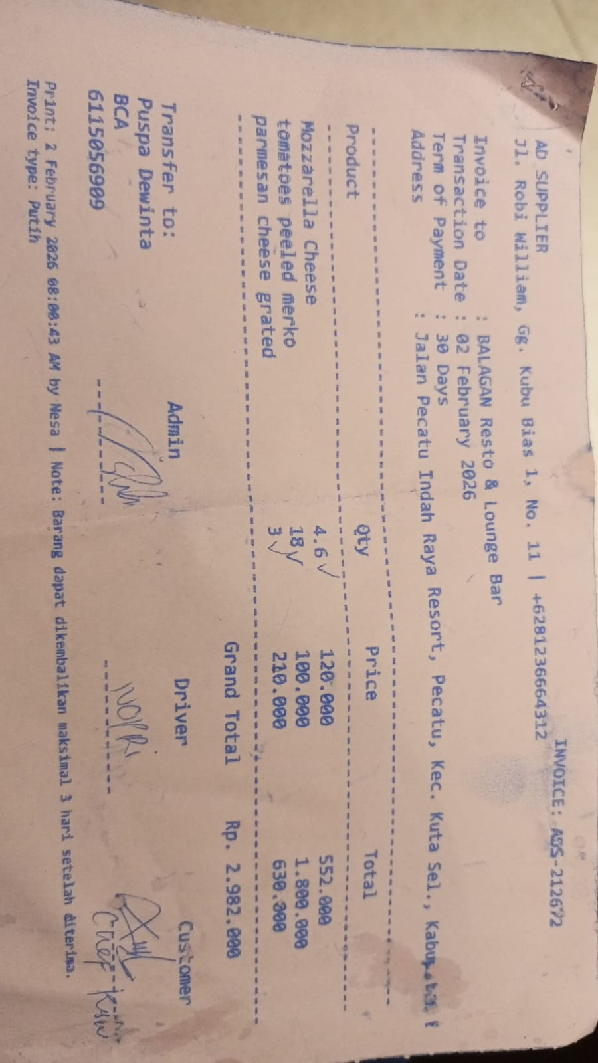
 |  | CANNED PEELED TOMATOES (MERKO) | 18 | Rp100,000 | Rp1,800,000
 |  | PARMESAN CHEESE GRATED | 3 | Rp210,000 | Rp630,000
2-Feb-2026 | ADS-212808 | BORGES EXTRA VIRGIN OIL 5L | 1 | Rp1,300,000 | Rp1,300,000 | Rp1,300,000 | 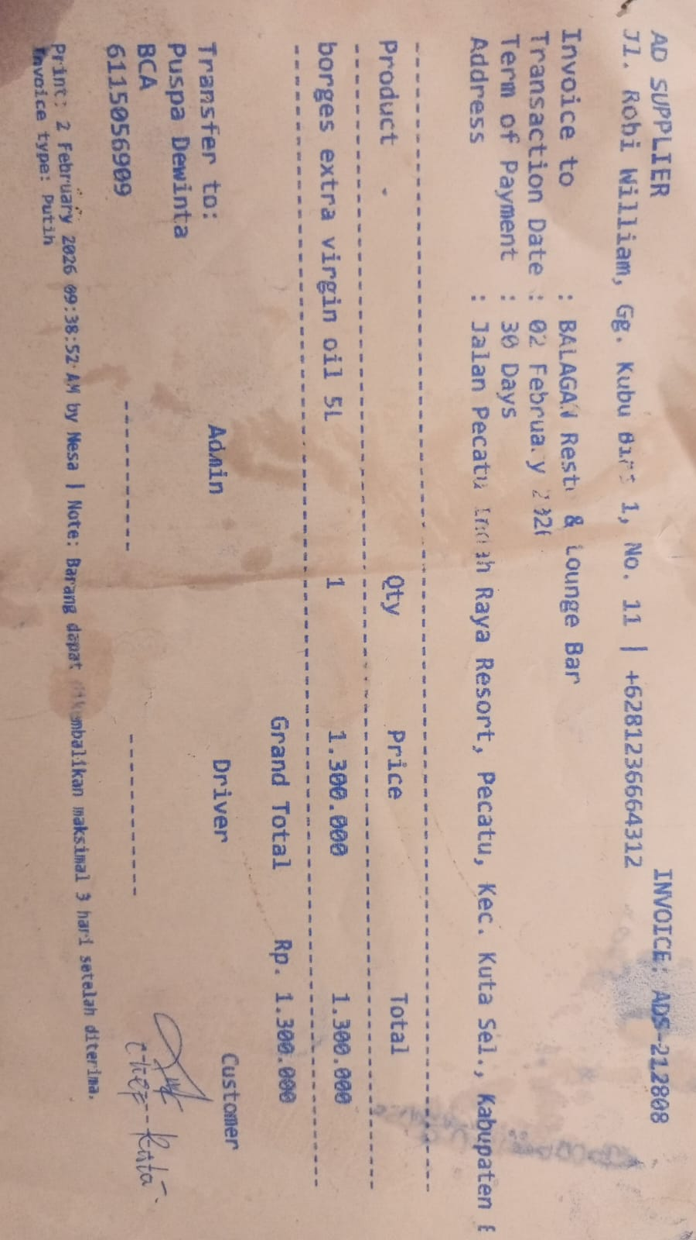
10-Feb-2026 | ADS-215506 | CANNED PEELED TOMATOES (MERKO) | 18 | Rp100,000 | Rp1,800,000 | Rp1,800,000 | 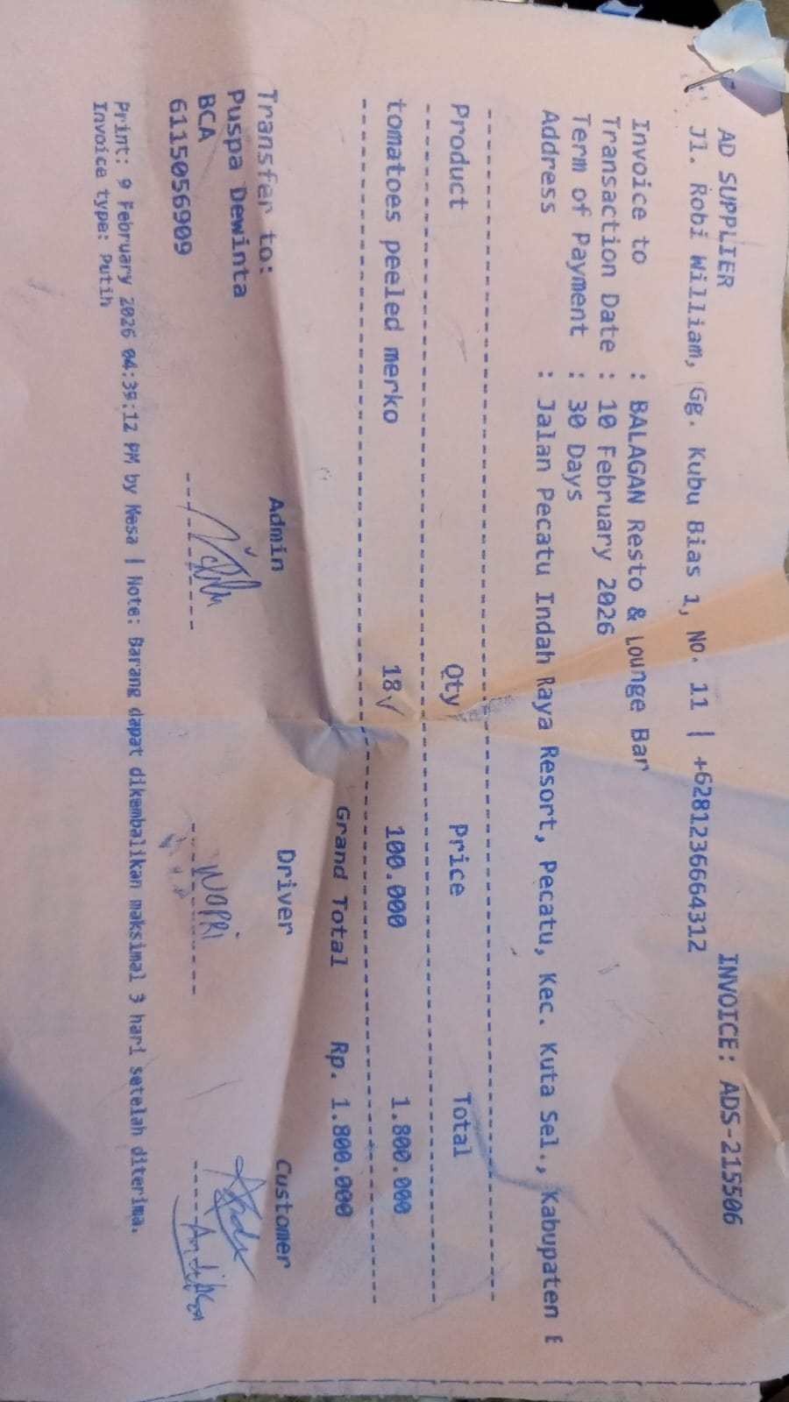
10-Feb-2026 | ADS-215543 | OIL RB BIB (Rose Brand) | 3 | Rp380,000 | Rp1,140,000 | Rp1,140,000 | 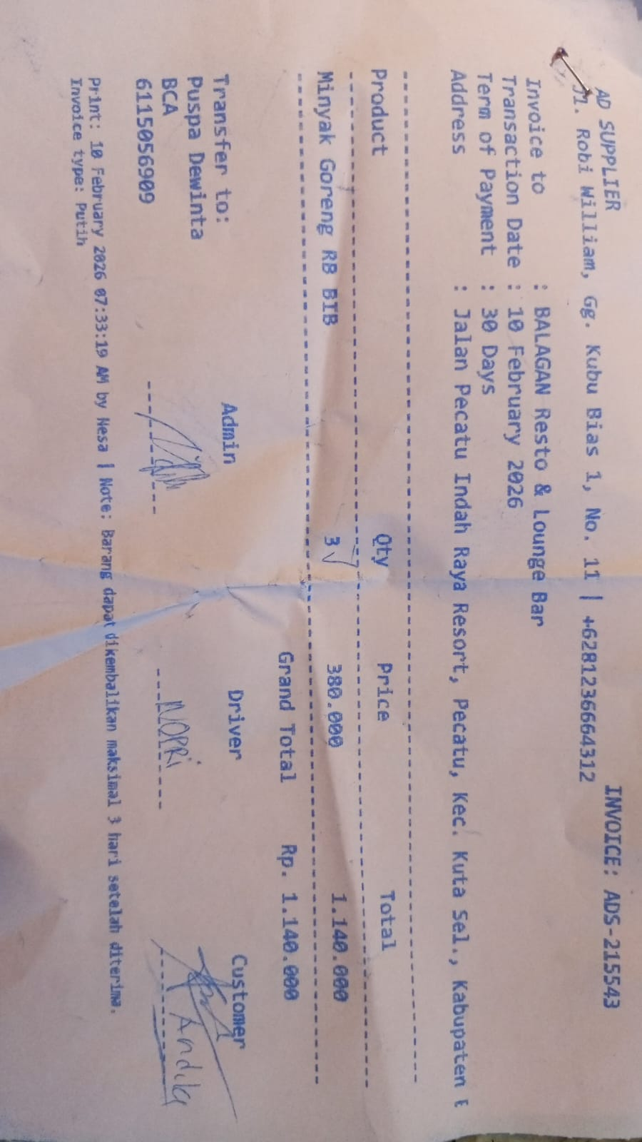
18-Feb-2026 | ADS-218552 | CHEESE SLICE YELLOW (ANCHOR) | 2 | Rp180,000 | Rp360,000 | Rp912,000 | 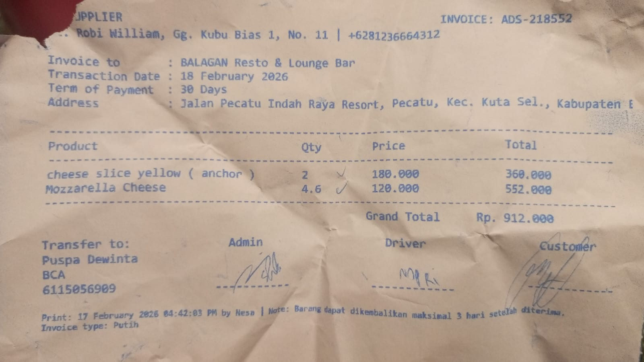
 |  | MOZARELLA CHEESE | 4.6 | Rp120,000 | Rp552,000
18-Feb-2026 | ADS-218555 | BORGES EXTRA VIRGIN OIL 5L | 1 | Rp1,300,000 | Rp1,300,000 | Rp1,300,000 | 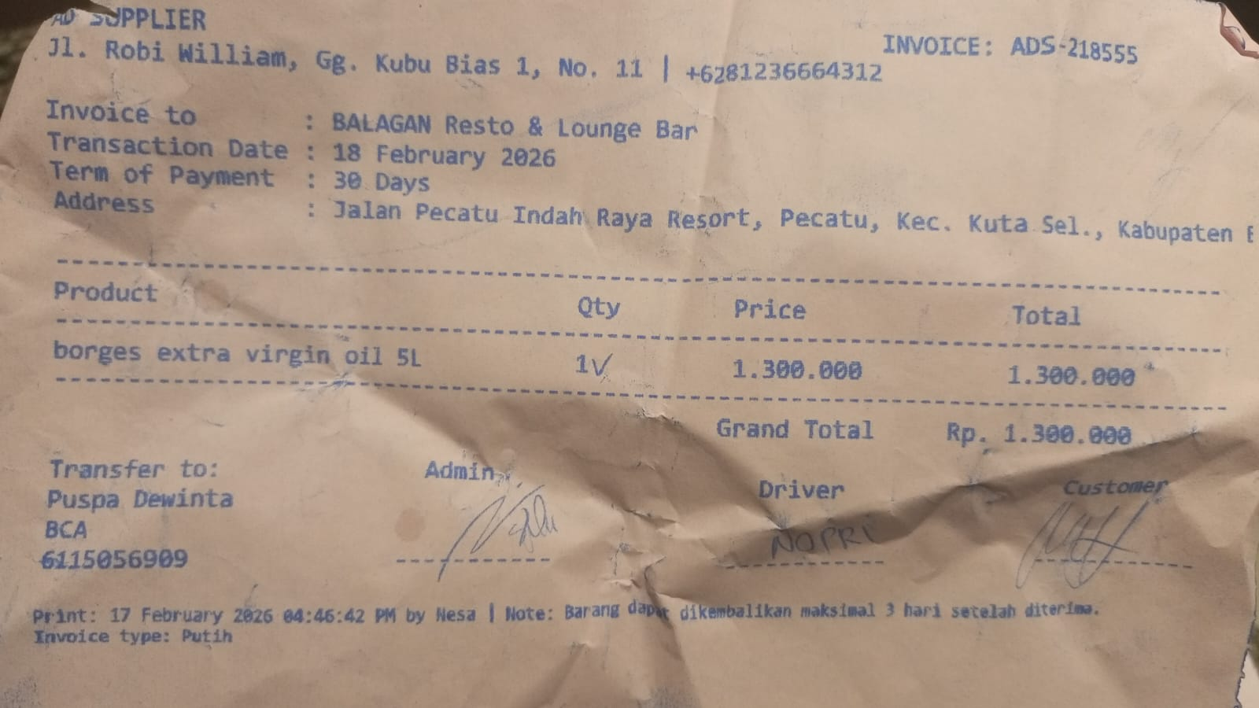
23-Feb-2026 | ADS-219976 | MOZARELLA CHEESE | 4.6 | Rp120,000 | Rp552,000 | Rp552,000 | 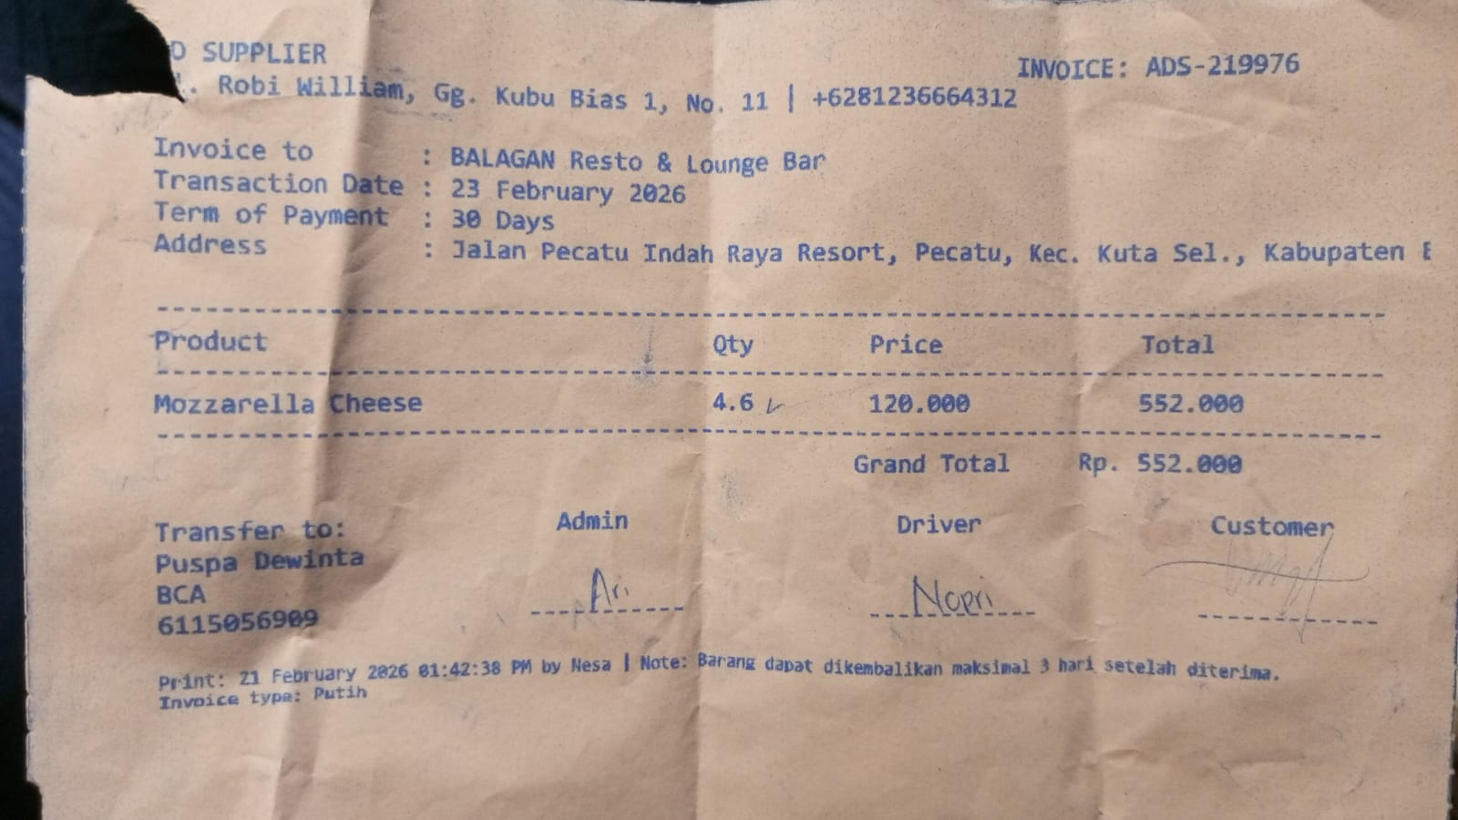
24-Feb-2026 | ADS-220627 | LA FONTE PASTA SPAGHETTI | 5 | Rp35,000 | Rp175,000 | Rp1,027,000 | 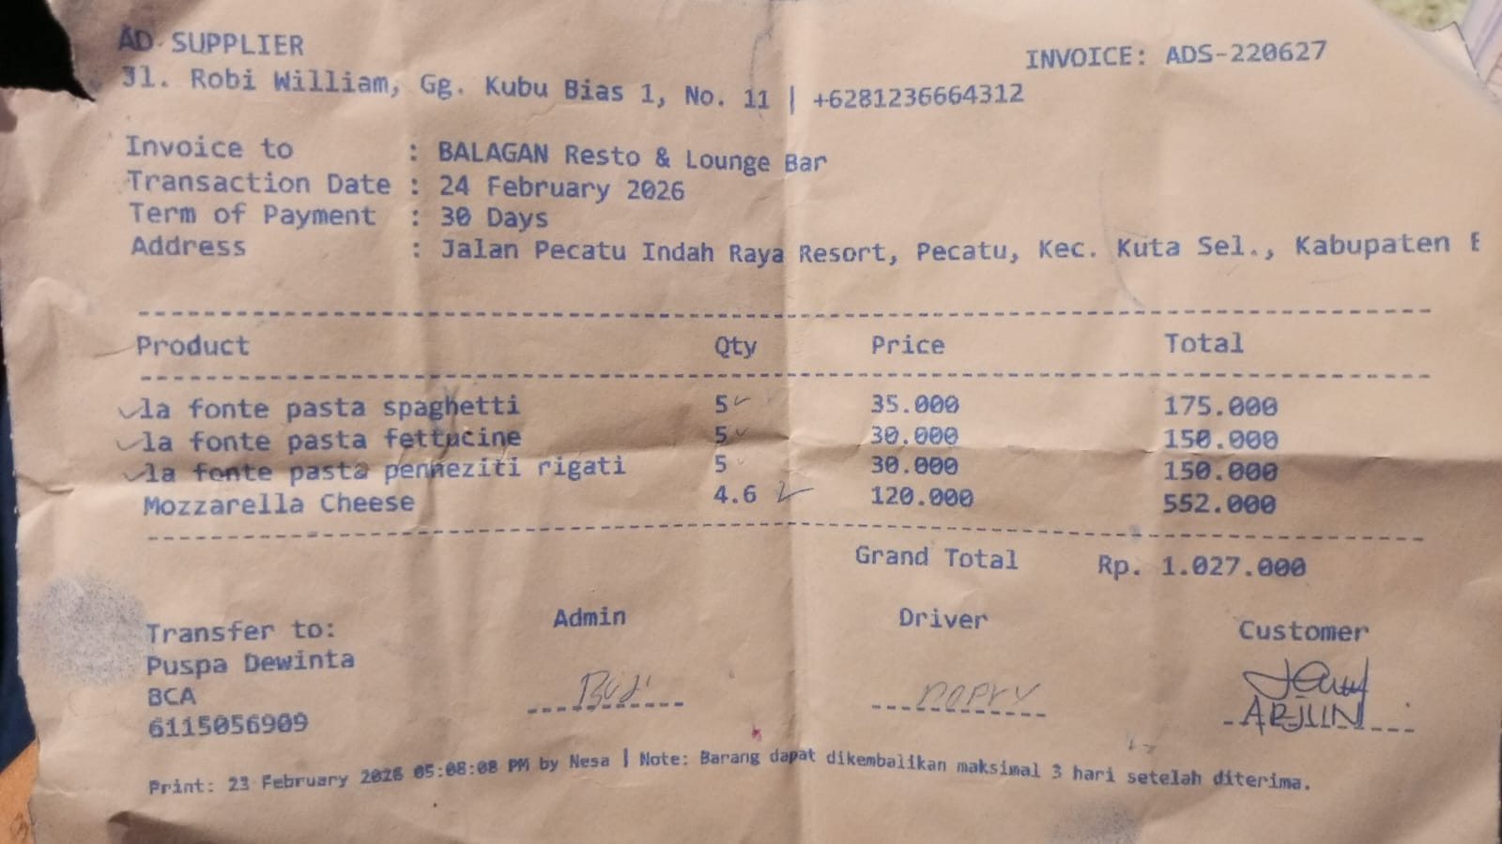
 |  | LA FONTE PASTA FETTUCINE | 5 | Rp30,000 | Rp150,000
 |  | LA FONTE PASTA PENNEZITI RIGATI | 5 | Rp30,000 | Rp150,000
 |  | MOZARELLA CHEESE | 4.6 | Rp120,000 | Rp552,000
28-Feb-2026 | ADS-222046 | SOVIA OIL 18 L BIB | 3 | Rp360,000 | Rp1,080,000 | Rp1,080,000 | 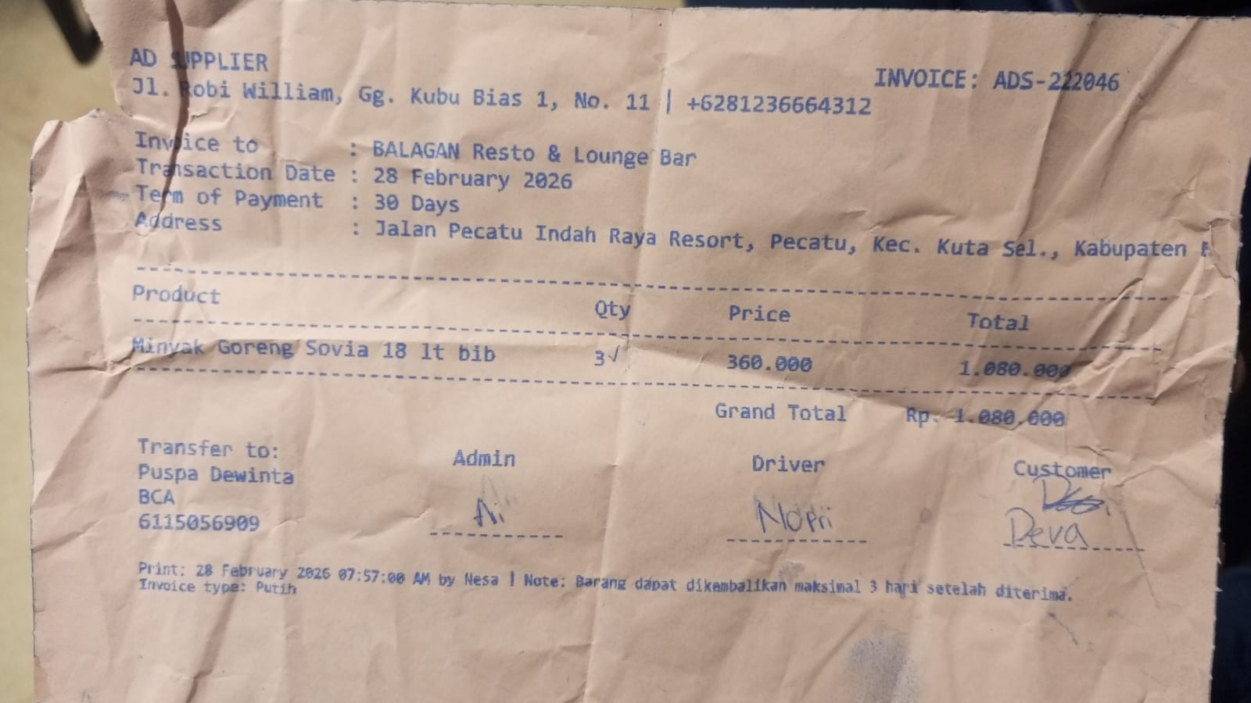

 |  |  |  |  |  | Rp12,093,000

